Screenshot
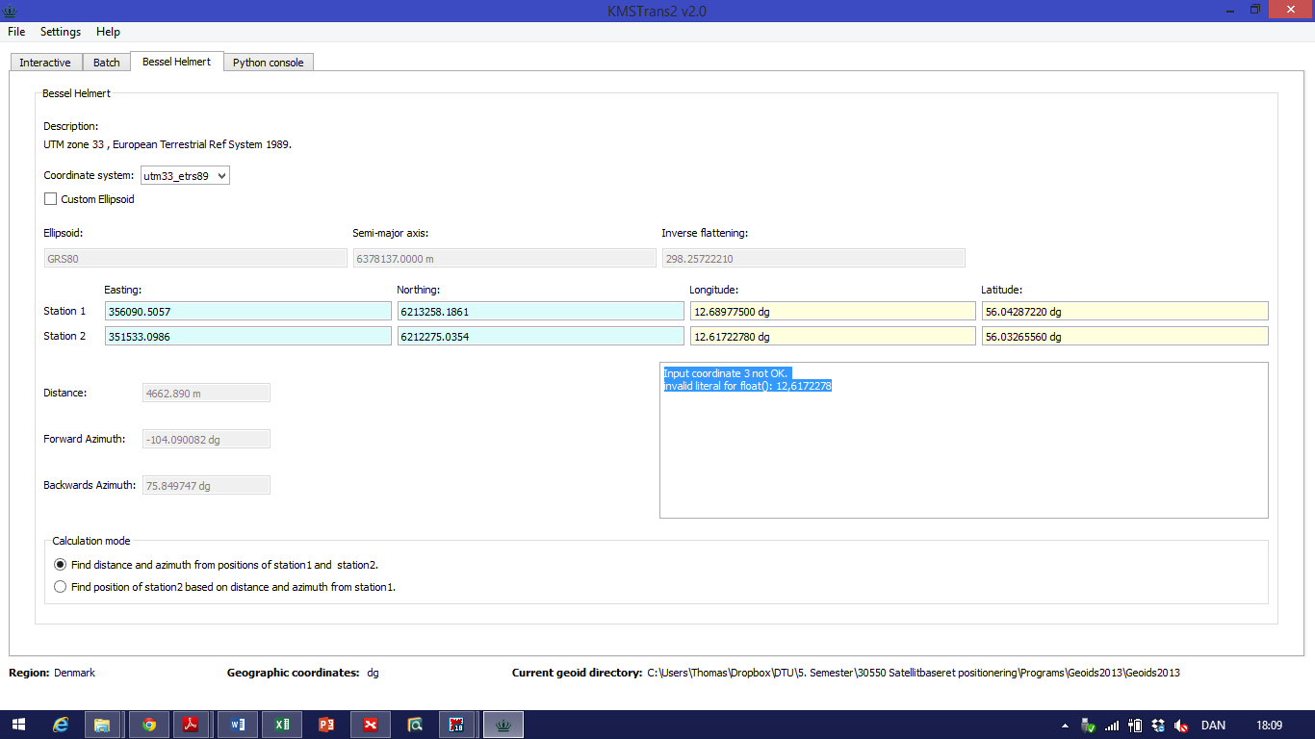
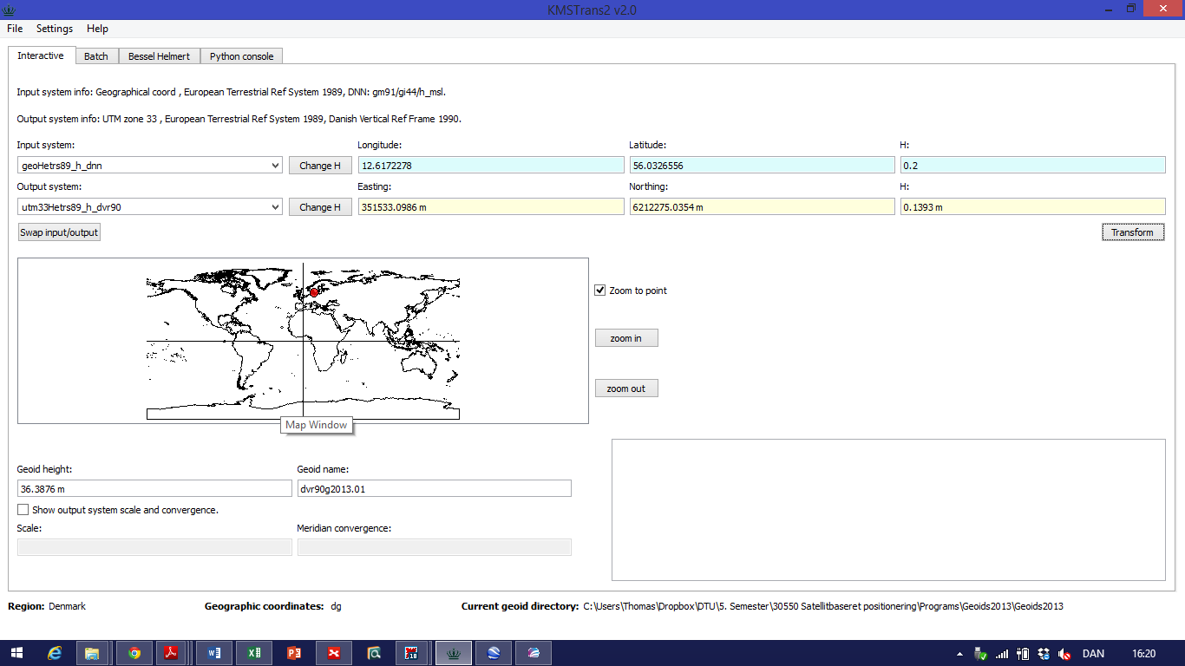
City | Latitude | Longitude | Elevation
Helsingør | 56.0326556 | 12.6172278 | 0.2
Helsingborg | 56.0428722 | 12.689775 | 6

 |  |  |  | 351533,0986 m | 6212275,0354 m | 0,1393 m

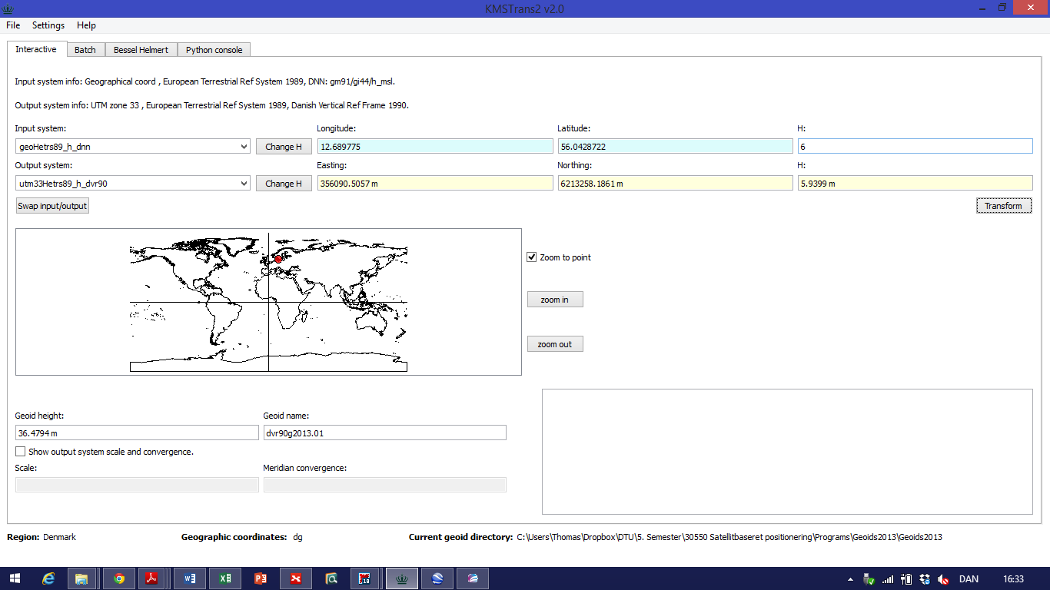

 |  |  |  | Distance:

